Document History
국민대학교 종합정보시스템 구축
업무기능분해도
Document History

No | Version | Change Date | Change Cause | Change Description | Author | Approver
1 | v1.0 | 10-02-2016 | new | Initial | Application Team | K.H.Ryu

SIT-OVM-DUM-02
▣ Scenario SIT-OVM-DUM-02

002. Upload alarm data to DMC
001. Send alarm data to OVMC
OVMC
DMC
OSCVM
004. Transmit alarm data to OASA-MC
DMC
OASA-MC
AMC
003. Transmit alarm data to AMC
005. Receive alarm data at OASA-MC
▶ Desc & Flow
Description |  | Uploading device alarm data from OSCMV/OVMC to OASA-MC
Biz flow

▶ Advance preparation
Preparation |  | OSCVM, OVMC, DMC, AMC, OASA-MC 1ea

▶ Data
NO | Item | 1 | 2 | 3 | 4 | 5
1 | N/A

001
▶ Test Case SIT-OVM-DUM-02-001 : Send alarm data from OSCVM to OVMC

1. Test Scenario
Test date |  | 1st |  | Tester |  | 1st
 |  | 2nd |  |  |  | 2nd
 |  | 3rd |  |  |  | 3rd

OSCVM send the alarm to OVMC
Receive the alarm data at OVMC
Description |  | Send alarm data from OSCVM to OVMC |  |  |  |  | Written by |  | KIM J.E.
Flow

NO | Task | Test data | Expected result | Person in charge | Result |  | Pass/Fail |  |  | Remark
 |  |  |  |  |  |  | 1st | 2nd | 3rd
1 | OSCVM save and send the alarm data to OVMC. | Test data : A | Send OK | KIM J.E. | 1st |  |  |  |  | Test Data:B
 |  |  |  |  | 2nd
 |  |  |  |  | 3rd
2 | Receive the event(alarma) data at OVMC | Test data : A | Receive OK | KIM J.E. | 1st |  |  |  |  | Test Data:B
 |  |  |  |  | 2nd
 |  |  |  |  | 3rd

2. Test Data
NO | Item | Value
A | Event Information of Equipment (MA503) | Alarm(Event) Code : Download Fail
B

002
▶ Test Case SIT-OVM-DUM-02-001 : Uploading device alarm data from OVMC to DMC

1. Test Scenario
Test date |  | 1st |  | Tester |  | 1st
 |  | 2nd |  |  |  | 2nd
 |  | 3rd |  |  |  | 3rd

OVMC send the alarm data to DMC
Receive the alarm data at DMC
Description |  | Uploading device alarm data from OVMC to DMC |  |  |  |  | Written by |  | KIM J.E.
Flow

NO | Task | Test data | Expected result | Person in charge | Result |  | Pass/Fail |  |  | Remark
 |  |  |  |  |  |  | 1st | 2nd | 3rd
1 | OVMC send the event(alarm) data to DMC: Inpsection Mode | Test data : A | Send OK | KIM J.E. | 1st |  |  |  |  | Test data : A
 |  |  |  |  | 2nd
 |  |  |  |  | 3rd
2 | Receive the event(alarm) data at DMC | Test data : A | Receive OK | LEE H. | 1st |  |  |  |  | Test data : A
 |  |  |  |  | 2nd
 |  |  |  |  | 3rd

2. Test Data
NO | Item | Value
A | 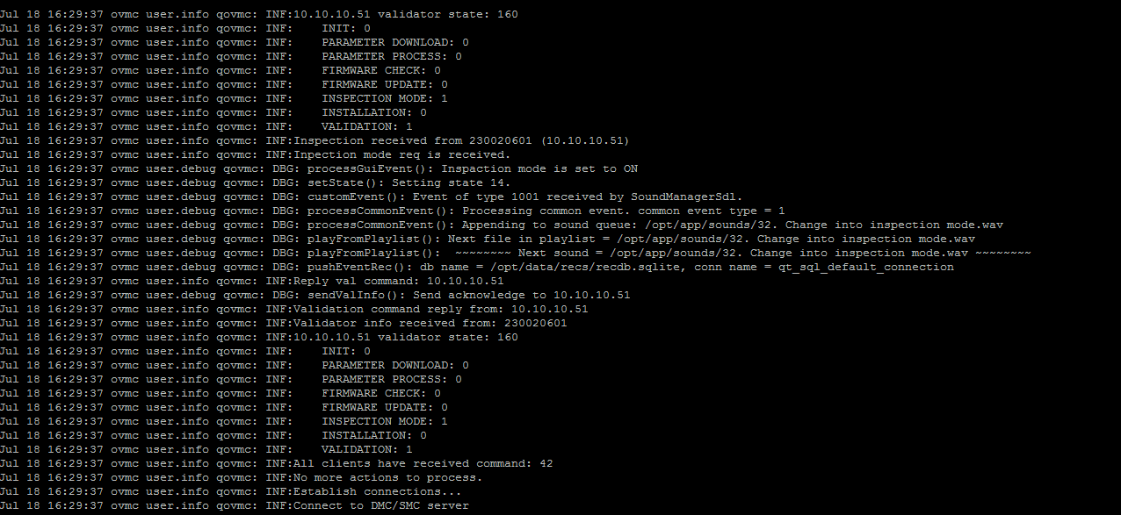

003
▶ Test Case SIT-OVM-DUM-02-003 : Receiving / sending device alarm data from DMC to AMC

1. Test Scenario
Test date |  | 1st |  | Tester |  | 1st
 |  | 2nd |  |  |  | 2nd
 |  | 3rd |  |  |  | 3rd

Receiving an alarm message from OVMC
Sending a file of device event to AMC
Urgent Alarm?
No
Yes
Sending an urgent alarm message to AMC
Description |  | Receiving / sending device alarm data from DMC to AMC |  |  |  |  | Written by |  | LEE H.
Flow

NO | Task | Test data | Expected result | Person in charge | Result |  | Pass/Fail |  |  | Remark
 |  |  |  |  |  |  | 1st | 2nd | 3rd
1 | [Receiving an alarm message from OVMC] 1. Menu: Bus > alarm/alarm > Device alarm 2. Input inquiry condition. 3. Click 'Search' button. | Test Data: A | 1. Show device list that meets the inquiry condition. | LEE. H | 1st
 |  |  |  |  | 2nd
 |  |  |  |  | 3rd
2 | [Sending an urgent alarm message to AMC] 1. Execute the test query to check sent status to AMC immediately. | Test Data: B | 1 The value of 'CENTR_SYSTM_TRANSM_YN' is 'Y'. | LEE. H | 1st
 |  |  |  |  | 2nd
 |  |  |  |  | 3rd
3 | [Sending a file of device alarm to AMC] 1. Menu: Bus > Scheduler > History Of Sub Job Execution 2. Input inquiry condition. 3. Click 'Search' button. 4. Location: 'D:/AFCDATA/DEPOTMC/UPLOAD-BACKUP' | Test Data: C | 1. The batch job executes after receiving data. 2. File Name: Linking Item(5).System ID(9).Creation Date(14).Sequence(5).dat | LEE. H | 1st |  |  |  |  | Batch jobs execute every 5 minutes.
 |  |  |  |  | 2nd
 |  |  |  |  | 3rd

2. Test Data
NO | Item | Value
A | Device ID | 220000001
 | alarm Code (Normal)
 | alarm Code (Urgent)
B | Query | SELECT * FROM TBBDD302 WHERE alarm_CD = 'alarm_CD' AND DEVICE_ID = 'DEVICE_ID' ORDER BY RCV_DATE DESC LIMIT 10
C | Main Job | [BD001] Jobs for Device Information
 | Sub Job | [BD00102] Send Device Alarm
 | Linking Item | FB710(Bus) / FT710(Tram)

004
▶ Test Case SIT-OVM-DUM-02-004 : Receiving / sending device alarm data from AMC to OASA MC

1. Test Scenario
Test date |  | 1st |  | Tester |  | 1st
 |  | 2nd |  |  |  | 2nd
 |  | 3rd |  |  |  | 3rd

Received alarm Info from DMC
Create and send alarm Info file
Description |  | Receiving / sending device alarm data from AMC to OASA MC |  |  |  |  | Written by
Flow

NO | Task | Test data | Expected result | Person in charge | Result |  | Pass/Fail |  |  | Remark
 |  |  |  |  |  |  | 1st | 2nd | 3rd
1 | [Received alarm Info from SMC] 1. Sending Device alarm File from METRO-SMC 2. Excute ExecuteRcvFileDelegJob 3. Check at Operation > event & alarm > alarm History | Test Data : A | 1. Device alarm is Inquired | ROH S.W. | 1st
 |  |  |  |  | 2nd
 |  |  |  |  | 3rd
2 | [Create and send alarm Info file] 1. Execute smartafc.rail.monitoring.devicealarminfo.job.CreateDeviceAlarmInfoJob 2. -Main Job : AD003 -Sub Job: AD00302 | Test Data : B | 1.alarm information file is created under: AFCDATA/STASYMC/UPLOAD/ -FB710.createSystemId(9).creatdate(14).sequence(5).dat | ROH S.W. | 1st
 |  |  |  |  | 2nd
 |  |  |  |  | 3rd

2. Test Data
NO | Item | Value
A | Transit Mode Group | bus
 | Device Class Name | OSCVM
 | Device ID | 230000001
 | Occurrence Date | Current date
B | Linking Item ID | FB710
 | Cycle | Every 10 min

005
▶ Test Case SIT-OVM-DUM-02-005 : Receiving device alarm data at OASA MC

1. Test Scenario
Test date |  | 1st |  | Tester |  | 1st
 |  | 2nd |  |  |  | 2nd
 |  | 3rd |  |  |  | 3rd

Received alarm information from AMC
Inquiry of alarm information
Description |  | Receiving device alarm data at OASA MC |  |  |  |  | Written by
Flow

NO | Task | Test data | Expected result | Person in charge | Result |  | Pass/Fail |  |  | Remark
 |  |  |  |  |  |  | 1st | 2nd | 3rd
1 | [Received alarm information from AMC] 1.Main Job : [AD004] ExecuteRcvFileDelegJob sub job : AD00401 Execution - smartafc.operation.batch.rcv.job.ExecuteRcvFileDelegJob | Test Data : A | 1. File is moved from /data001/AFCDATA/OASAMC/SHARERCV/ to ./data001/AFCDATA/OASAMC/SHARERCV-BACKUP/ | ROH S.W. | 1st
 |  |  |  |  | 2nd
 |  |  |  |  | 3rd
2 | [Received alarm information from AMC] 1. Inquire test data. 2. Click 'Search' button. 3. Show data that meets the inquiry condition | Test Data : B | history Of Sub Job Execution data is inquired Execution Result: [02] Job Success | ROH S.W. | 1st
 |  |  |  |  | 2nd
 |  |  |  |  | 3rd
3 | [Inquiry of alarm Info] 1. Check at Operation > event & alarm > Device alarm 2. Inquire test data. 3. Click 'Search' button. | Test Data : C | alarm data received from SMC is inquired. | ROH S.W. | 1st
 |  |  |  |  | 2nd
 |  |  |  |  | 3rd

2. Test Data
NO | Item | Value
A | Linking Item ID | FB710
B | System Class | Operation
 | Main Job | AD004
 | Sub Job | AD00401
 | Execution Date | Current date
C | Device Class Name | OSCVM
 | Device ID | 230000001
 | Occurrence Date | Current date
 | alarm Status | Occurrence
 | Event Priority Level | Normal

